Title Sheet
The 2014 USGS Pier-Scour Database
(PSDb-2014)
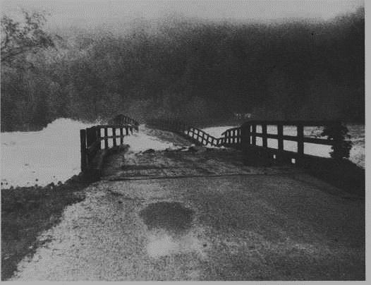
Failure of the State Highway 50 bridge crossing the Tallapoosa River near Tallassee, Alabama,
April 14, 1979. (Photograph courtesy of H. H. Weldon, Eclectic, Alabama.), at http://md.water.usgs.gov/publications/wsp-2375/al/.
Version 1.0
April 2014
Developed by
Stephen T. Benedict
and
Andral W. Caldwell
USGS South Carolina Water Science Center
in cooperation with the
South Carolina Department of Transportation

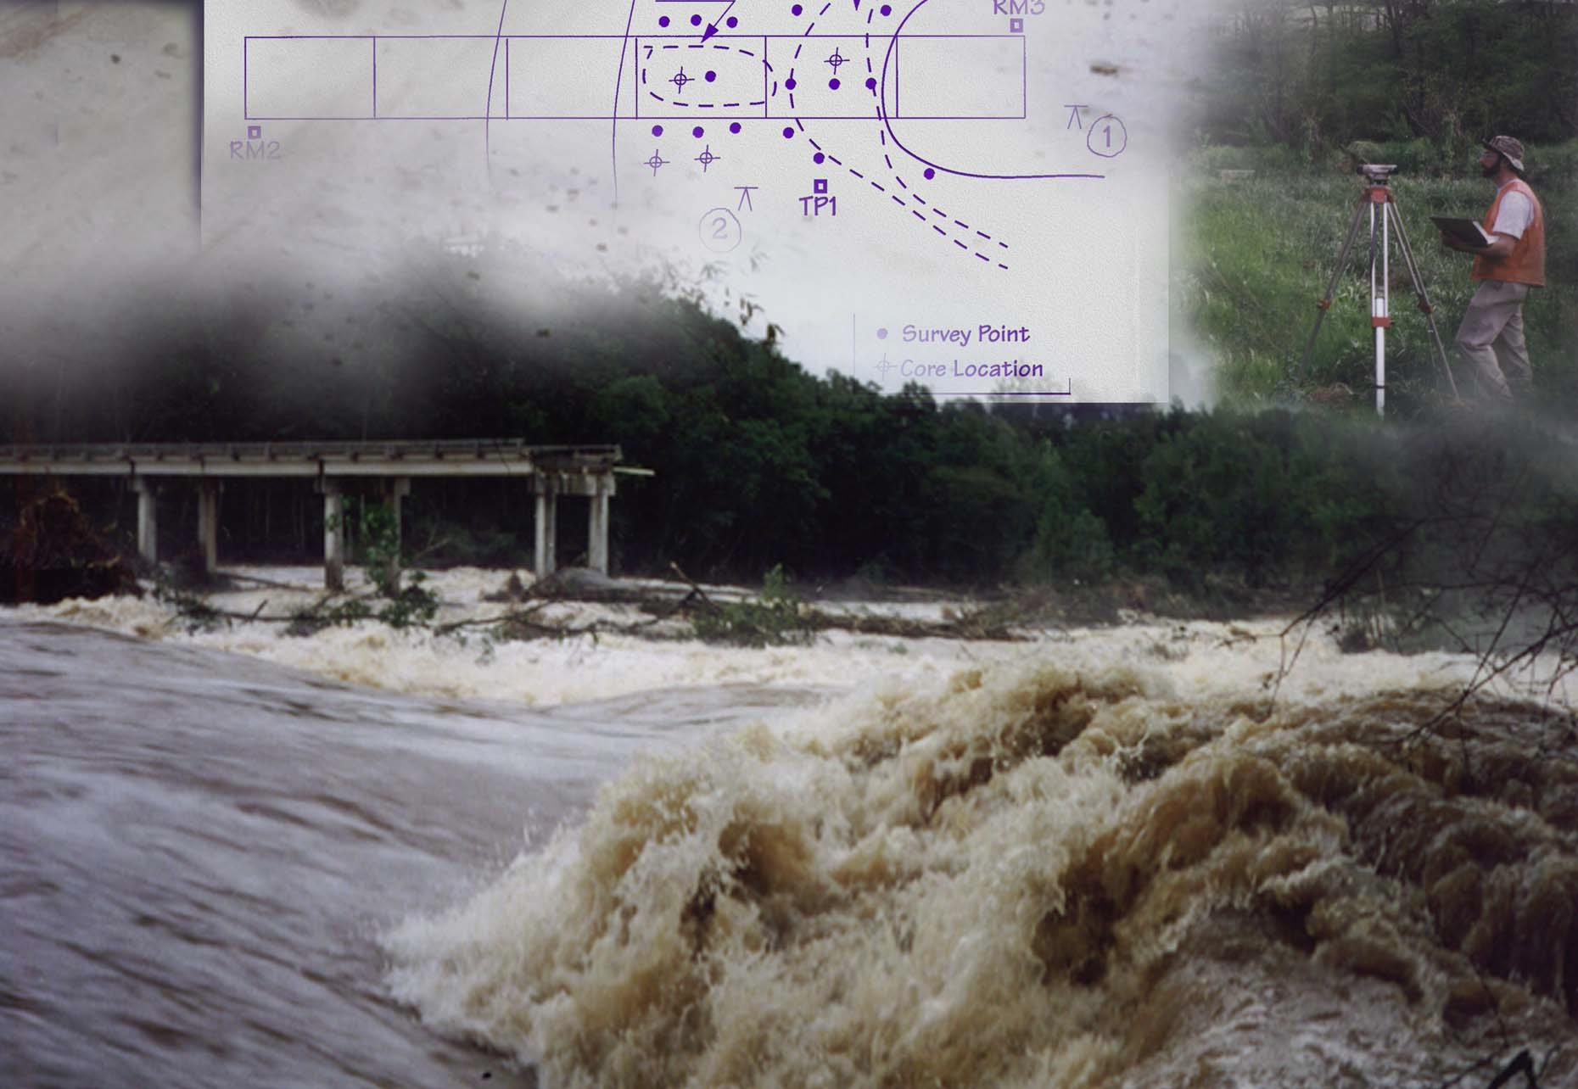

Failure of the State Highway 418 bridge crossing the Enoree River, near Woodruff, South Carolina, August 27, 1995.
(Photograph by Michael Hall, U.S. Geological Survey.)

